11C_JNJ-54173717(compound)
Structures
Property name | Property Value |  |  |  |  | (S)-(2,3-dichlorophenyl)(3-(4-(methoxy-11C)pyridin-2-yl)-6-methyl-5,6-dihydro-[1,2,4]triazolo[4,3-a]pyrazin-7(8H)-yl)methanone
trivial name | [11C]JNJ-54173717 |  |  |  |  | Chemical Formula: C1811CH17Cl2N5O2
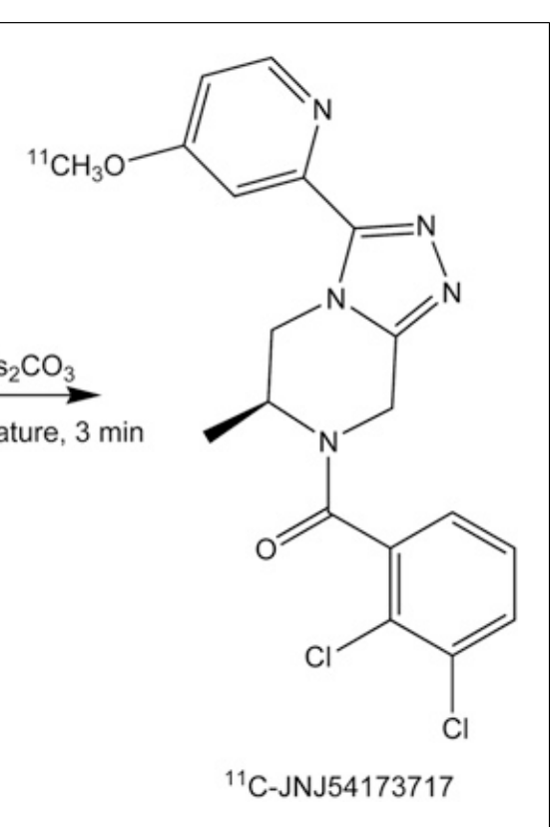
DOI | 10.2967/jnumed.115.169995 |  |  |  |  | Exact Mass: 416.09
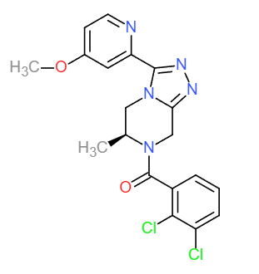
Molecular formula | C1811CH17Cl2N5O2 |  |  |  |  | Molecular Weight: 417.28
 |  |  |  |  |  | m/z: 416.09 (100.0%), 418.08 (64.0%), 417.09 (19.7%), 419.09 (12.8%), 420.08 (10.5%), 418.09 (2.6%), 421.08 (2.2%), 417.08 (1.8%), 420.09 (1.4%), 419.08 (1.2%)
Chemical and Physical Properties | Calculated by ChemDraw(ver22.2.0) |  |  |  |  | Elemental Analysis: C, 54.45; H, 4.11; Cl, 16.99; N, 16.78; O, 7.67
Property name | Property Value |  |  |  |  | Log P: 3.29
Molecular weight | 417.28 |  |  |  |  | MR: 109.18 [cm3/mol]
XlogP3 | 2.41 |  |  |  |  | Henry's Law: 9.62
Hydrogen Bond Donar Count | 0 |  |  |  |  | tPSA: 69.86
Hydrogen Bond Acceptor Count | 4 |  |  |  |  | CLogP: 2.2811
Rotatable Bond Count | 4 |  |  |  |  | CMR: 10.3868
Exact Mass | 416.09 |  |  |  |  | LogS: -7.054
Monoisotopic Mass | 416.09 |  |  |  |  | pKa: N/A
Topological Polar Surface Area | 69.86
Heavy Atom Count | 28
Formal Charge | 0 |  | No. of Nitrogen and Oxygen Atoms: 7
Complexity |  |  | No. of Rings: 4
Isotope Atom Stereocentor
Defined Atom Stereocenter Count
Undefined Atom Stereocenter Count
Defined Bond Stereocenter Count
Undefined Bond Stereocenter Count
Covalently-Bonded Unit Count
Compound Is Canonicalized

BioAssay Results
Activity Value, nM | Activity Type | BioAssay Name | BioAssay AID | BioAssay SID | DOI (References other than Pubchem)
1.6 | Kd | rat cortex P2X7R membrane |  |  | 10.2967/jnumed.115.169995

